Documentation
Introduction :
A watch is a portable timepiece intended to be carried or worn by a person. It is designed to keep a consistent movement despite the motions caused by the person's activities.
The presentstion about the wathces presents its specification , product info and customer .
This dataset contain 3 tables
List of tables :
1.Watch information (watch) :
Attributes :
product_id(serial) : Unique identification for each product.
brand (varchar(150)) : Name of brand of the watch .
product_name (varchar(150)) : Product namee of the brand .
price int : price of watch .
weight int : weight of the watch .
stock int : stock of the watch .
Categorial data :
brand
product_name
Numerical data :
price
weight
stock
2.watch specification(watch_specs) :
Attributes :
watch_specs_id serial : Unique identification for each specification.
brand ((varchar(150)) : Name of brand of the watch .
gender_type ((varchar(150)) : Gender type of the watch .
movement_type (varchar(150)) : Movement type of the watch.
case_material (varchar(150)) : Case material of the watch.
crystal_material (varchar(150)) : Crystal material of the watch.
Categorial data :
brand
gender_type
movement_type
case_material
Numeriacal data :
watch_specs_id
3.customer information (customer) :
Attributes :
cust_id serial primary key : UNique identification of each customer .
cust_name varchar(150) : Nam eof the customer .
gender varchar(100) : Gender of the customer .
state varchar(150) : state of the customer .
city varchar(150) : city of the customer .
pincode int pincode of the state of customer .
region varchar(150) : regoin of the customer .

watch_specs
Table : watch_specs

catogorical column | no of rows (count) | Distinct values | Unique values | catogorical column | no of rows (count) | Distinct values | Unique values | catogorical column | no of rows (count) | Distinct values | Unique values
case_material | 11 | 5 | 5 | movement_type | 5 | 4 | 3 | crystal_material | 5 | 4 | 3

Count of particular distinct values of column case _material |  |  |  | Count of particular distinct values of column movement_type |  |  |  | Count of particular distinct values of column crystal_material
case_material | count |  |  | movement_type | count |  |  | crystal_material | count
Gold | 1 |  |  | Mechanical | 1 |  |  | Plastic | 1
Leather | 1 |  |  | Digital | 1 |  |  | Sapphire | 1
Plastic | 1 |  |  | Quartz | 1 |  |  | Mineral | 2
Titanium | 1 |  |  | Automatic | 2 |  |  | Hardlex | 1
Stainless Steel | 1

watch
Table : watch

catogorical column | no of rows (count) | Distinct values | Unique values | catogorical column | no of rows (count) | Distinct values | Unique values
brand | 11 | 5 | 3 | product_name | 11 | 9 | 7

product

Count of particular distinct values of column brand |  |  |  | Count of particular distinct values of column brand
brand | count |  |  | product_name | count
Fossil | 1 |  |  | Datejust | 1
Casio | 1 |  |  | G-Shock | 1
Seiko | 1 |  |  | Daytona | 1
 |  |  |  | Presage | 1
 |  |  |  | Seamaster | 1
 |  |  |  | Submariner | 1
 |  |  |  | Hybrid Smartwatch | 1

customer
Table : customer

catogorical column | no of rows (count) | Distinct values | Unique values | catogorical column | no of rows (count) | Distinct values | Unique values | catogorical column | no of rows (count) | Distinct values | Unique values
cust_name | 20 | 20 | 20 | gender | 20 | 2 | 0 | state | 20 | 5 | 0

Count of particular distinct values of column cust_name |  |  |  | Count of particular distinct values of column gender |  |  |  | Count of particular distinct values of column state
cust_name | count |  |  | gender | count |  |  | state | count
William Clark | 1 |  |  | Male | 10 |  |  | Florida | 4
Matthew Thompson | 1 |  |  | Female | 10 |  |  | New York | 4
Emily Davis | 1 |  |  |  |  |  |  | Illinois | 4
Sophia Young | 1 |  |  |  |  |  |  | California | 4
James Rodriguez | 1 |  |  |  |  |  |  | Texas | 4
Ava Miller | 1
Michael Wilson | 1
Jennifer Anderson | 1
Ella Harris | 1
Jane Smith | 1
Andrew Garcia | 1
Olivia Martinez | 1
John Doe | 1
David Martinez | 1
Bob Brown | 1
Alice Johnson | 1
Jessica Taylor | 1
Daniel Robinson | 1
Chris Lee | 1
Samantha Hernandez | 1

Erd diagram
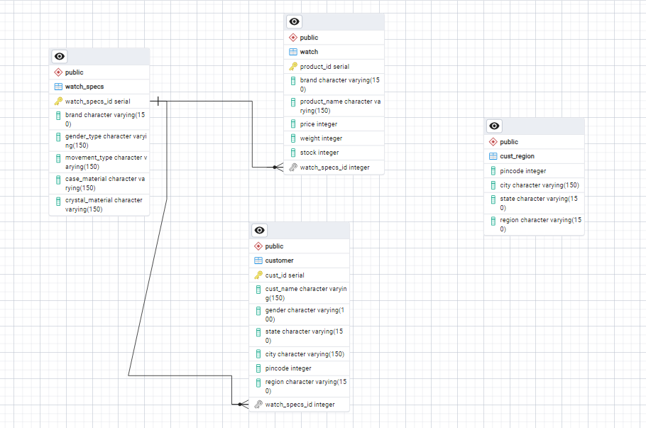
ERD DIAGRAM :

